Sheet1
SN | Issue Description | Screenshot | Priority | Report Date | Reporter | Status | Follow Up Action | Rootcause
1 | Data in 2021-2024 are null |  | M | 2025-05-12 | Joy Shen | Read to validate |  | Data issue?
2 | Report date should be ordered by DESC |  | M | 2025-05-12 | Joy Shen | Closed
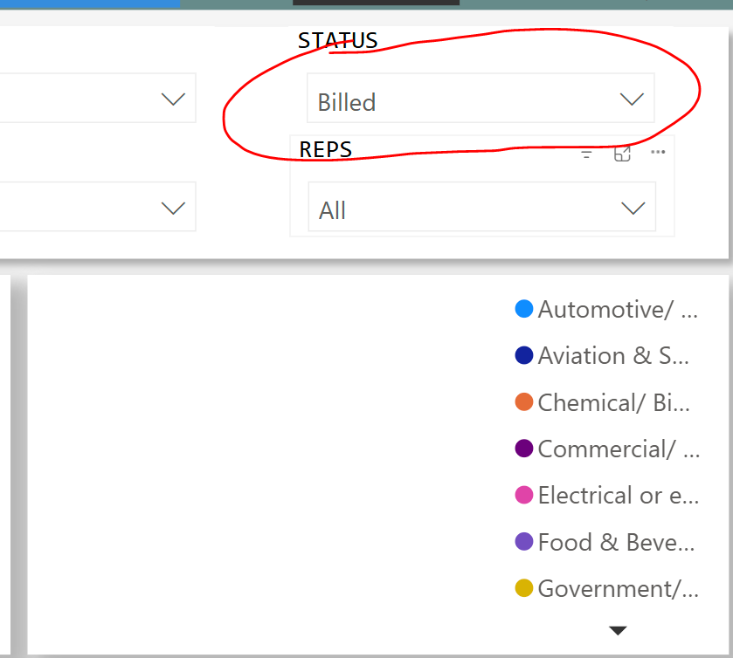
3 | Goal is not correctly retrieved, pls retrieve the sales goal from separate sheet. Sales goal is determined based on partner. *Qcr%=quote amount/quote target amount sum *ocr%=order amount/order target amount sum |  | H | 2025-05-12 | Joy Shen | Open
4 | Logic cvr%: Convertion Rate ocr%: Order completion rate qcr%: Quote completion rate quote_sales_mom%: Month over month change order_sales_mom% |  | H | 2025-05-12 | Joy Shen | Closed
5 | Order completion by series: Remove the total amount, it is meaningless to sum quote and order amount/qty tgt. |  | H | 2025-05-12 | Joy Shen | Closed
6 | Sales by industry dashboard is blank |  | H | 2025-05-13 | Joy Shen | Open | clear status slicer
7 | Pls change the ytd amount to amount per month. Pls refer the screenshot in issue7 sheet. |  | H | 2025-05-13 | Joy Shen | Open | changed line charts with mtd

Issue7
